Utility Ins IncTax
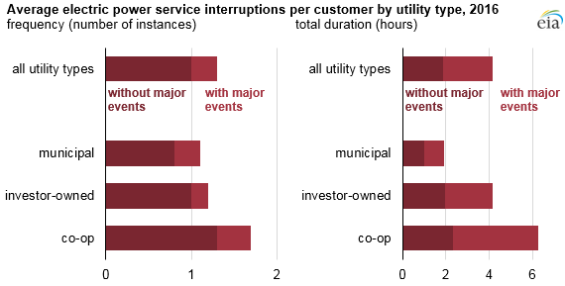
So Boston Electric- Dominion Virgina |  |  | Prorated to 9 months first year |  |  |  |  |  | So. Boston water/sewer: Halifax Cty Servoce Auth

 | $/kWh | Y1 | Y2 | Y3 | Y4 | Y5 |  |  | 10,000 gal/day | Y1 | Y2 | Y3 | Y4 | Y5
52,000 kWh/month | $0.07 | $33,228.00 | $44,304.00 | $44,304.00 | $44,304.00 | $44,304.00 |  |  | $2.65/1000 gal | 7254.375 | 9672.5 | 9672.5 | 9672.5 | 9672.5

 |  |  |  |  |  |  |  |  | Winchester water/sewer: Frederick
Winchester Electric- Shenandoah Valley Electric Cooperative |  |  |  |  |  |  |  |  | 10,000 gal/day | Y1 | Y2 | Y3 | Y4 | Y5
 | $/kWh | Y1 | Y2 | Y3 | Y4 | Y5 |  |  | $3.55/1000 gal | 9718.125 | 12957.5 | 12957.5 | 12957.5 | 12957.5
52,000 kWh/month | $0.09 | $43,243.20 | $57,657.60 | $57,657.60 | $57,657.60 | $57,657.60

 |  |  |  |  |  |  |  |  | So. Boston phone: CenturyLink/Comcast
S. Boston gas: Columbia Gas of VA | $/1000 ft3 | Y1 | Y2 | Y3 | Y4 | Y5 |  |  | $230/month | Y1 | Y2 | Y3 | Y4 | Y5
1 ft3 = 1037 BTUs | 8.27 | 6549.4093539 | 8732.5458052 | 8732.5458052 | 8732.5458052 | 8732.5458052 |  |  |  | 2070 | 2760 | 2760 | 2760 | 2760 | Business Internet Gigabit Extra 1.25 Gbps + 1 Phone line, 12 month contract
Need 3M BTU/day (not per month)
28 ft ceiling | BTU calculator: https://www.simplex.ca/en/btu-calculator |  |  |  |  | Calculation to | 50000 sq ft x 28 ft |  | Winchester phone and internet: Verizon | Y1 | Y2 | Y3 | Y4 | Y5
55,000 sq ft | https://learnmetrics.com/heating-btu-calculator/ |  |  |  |  | get ft3 volume= | 1540000 |  | $200/month | 1800 | 2400 | 2400 | 2400 | 2400 | LTE business internet, only 9 lines of service, 50 MBps, 1 router | https://www.verizon.com/business/shop/shopping-cart
 | Calculates BTU/hour |  |  |  |  |  |  |  |  |  |  |  |  |  | low estimates, not as good a plan
According to Madison Gas and Electric, “warehouses in the U.S. use an average of 7.6 kilowatt-hours (kWh) of electricity and 20,900 Btu of natural gas per square foot annually,” (Madison).
https://ouc.bizenergyadvisor.com/article/warehouses

Winchester gas: Washington gas, Shenandoah station | $/1000 ft3 | Y1 | Y2 | Y3 | Y4 | Y5 |  |  | So Boston | minimal floor hazard, zone X, |  |  |  | https://msc.fema.gov/portal/search?AddressQuery=1030%20confroy%20dr%20south%20boston%20va#searchresultsanchor
 | 6 | 4751.6875603 | 6335.5834137 | 6335.5834137 | 6335.5834137 | 6335.5834137 |  |  | Winchester | minimal floor hazard, zone X,
 |  |  |  |  |  |  |  |  |  |  |  | Y1 | Y2 | Y3 | Y4 | Y5 | https://www.trustedchoice.com/business-insurance/business-insurance-calculator/
South Boston has lower utility costs |  |  |  |  |  |  |  |  | Insurance estimate |  | So Boston | 10477.7 | 12573.24 | 12573.24 | 12573.24 | 12573.24 | (manufacturing business, over 1000 sq ft, not in flood/brush fire/high crime area, risk management system, 101-250 employees, fewer than 3 claims per year)
 |  |  |  |  |  |  |  |  |  |  | Winchester | 10477.7 | 12573.24 | 12573.24 | 12573.24 | 12573.24 | (manufacturing business, over 1000 sq ft, not in flood/brush fire/high crime area, risk management system, 101-250 employees, fewer than 3 claims per year)
Water Treatment |  | Y1 | Y2 | Y3 | Y4 | Y5
S. Boston operating |  | 1586 | 3172 | 3172 | 3172 | 3172 | https://pureaqua.com/twro-operating-costs/ |  | Virginina sales and use tax: https://www.tax.virginia.gov/retail-sales-and-use-tax
Winchester operating |  | 1586 | 3172 | 3172 | 3172 | 3172 | https://pureaqua.com/twro-operating-costs/
S. Boston purchase |  |  |  |  |  |  |  |  | https://yesmontgomeryva.org/doing-business/taxes/business-taxes---virginia-state-taxes#:~:text=The%20Virginia%20corporate%20income%20tax,Business%20Facility%20Job%20Tax%20Credit
Winchester purchase |  |  |  |  |  |  |  |  | Not taking into account: annual corporate registration fee, withholding tax, unemployment insurance tax: should be soimilar for both businesses

Reverse osmosis is best for beverage aplixations (purity) |  |  |  |  |  |  |  |  |  | Not doing utility and consumption tax- will be the same for both.
Commercial Tap and Brackish warer reverse osmosis purification system: RO-200
https://pureaqua.com/commercial-reverse-osmosis-ro-systems/ |  |  |  |  |  |  |  | Business income taxes |  | Y1 | Y2 | Y3 | Y4 | Y5 |  | Wholesale class
Assume price of equipment/installation/delivery included in initial investment parameters |  |  |  |  |  |  |  |  | So. Boston | 0 | 24700 | 54600 | 60060 | 66066 | 205426 | https://salemva.gov/Departments/Commissioner-of-the-Revenue/Business-Tax/Business-Tax-Calculator
 |  |  |  |  |  |  |  |  | Winchester | 0 | 24700 | 54600 | 60060 | 66066 | 205426 | based on gross receipts
Equipment sales tax |  | Y1 | Y2 | Y3 | Y4 | Y5
S. Boston (6.3) |  | $535,500.000 | $283,500.000 | $75,600.000 | $75,600.000 | $0.000 | $970,200.000 |  | 6% tax rate, but need to use three part formula of gross receipts, payroll, and property | 0 | 1140000 | 2520000 | 2772000 | 3049200 |  | Fairfax one
Winchester (5.3) |  | $450,500.000 | $238,500.000 | $63,600.000 | $63,600.000 | $0.000 | $816,200.000
 |  |  |  |  |  |  |  |  |  |  |  |  |  |  |  |  | https://www.fairfaxva.gov/businesses/business-tax-calculator | Business LICENSE tax

Power outage costs |  | Y1 | Y2 | Y3 | Y4 | Y5
S. Boston- Dominion (investor-owned) |  | 0 | 8675.7990868 | 19178.082192 | 21095.890411 | 23205.479452 |  |  |  |  | So. Boston | Winchester
Winchester- Shenandoah (co-op) |  | 0 | 13013.69863 | 38356.164384 | 31643.835616 | 34808.219178 |  |  |  | Gas | 41479.592575 | 30094.021215
 |  |  |  |  |  |  |  |  |  | Water | 45944.375 | 61548.125
Manufacturing is highly vulnerable to these costs- food spoilage, equipment damage |  |  |  |  |  |  |  |  |  | Electric | $210,444.00 | $273,873.60
Need ODIN at ORNL to access the data |  |  |  |  |  |  |  |  |  | Internet | 13110 | 11400
Co-op have greater outages (average 6 h per year) than investor-owned (average 4 h per year) . https://www.eia.gov/todayinenergy/detail.php?id=35652
8760 hours per year

Images
Most common occupation types
 |  | CPI for all urban consumers for our category
 |  |  | BLS:
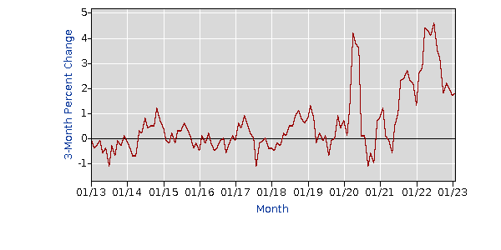 |  |  | Nonalcoholic beverages and beverage materials in U.S. city average, all urban consumers, seasonally adjusted | C
 |  |  | Area: | U.S. city average |  | So Boston | Occupation share | Most numerous occupations
 |  |  |  |  |  |  | Retail | 22.4
 |  |  |  |  |  |  | Educational services | 11.7
 |  |  |  |  |  |  | Manufacturing | 11
 | COL difference
Winchester, VA | 0
Baltimore, MD | 9.8
Philadelphia, PA | 6.2
Washington, DC | 22.9
Washington, DC | 22.9
Lynchburg, VA | 0
Raleigh, NC | 6.1
Richmond, VA | 5.6
Durham, NC | 6.2
Greensboro, NC | -2.6
Durham, NC | 6.2
 |  |  |  |  |  |  | Health care/social assistance | 10.8
Most common occupation types
 |  |  | City | COL difference |  |  | Other | 44.1
 |  |  | Winchester, VA | 0 | 97.2
 |  |  | Baltimore, MD | 9.8 | 107
 |  |  | Philadelphia, PA | 6.2 | 103.4 | Winchester | Occupation share | Share
 |  |  | Washington, DC | 22.9 | 120.1 |  | Health care/social assistance | 16
 |  |  |  |  |  |  | Retail | 12.4
 |  |  | Lynchburg, VA | 0 | 93.6 |  | Educational services | 10.3
 |  |  | Raleigh, NC | 6.1 | 99.7 |  | Accomodation and food | 9.8
 |  |  | Richmond, VA | 5.6 | 99.2 |  | Other | 51.5 | 100
 |  |  | Durham, NC | 6.2 | 99.8 |  |  |  | 48.5
 |  |  | Greensboro, NC | -2.6 | 91 |  |  |  | 51.5

 | -more customers who can afford product live near Winchester
 | - if can get ingredients locally, will get better profit (don't know their specific supply chain)

